Tabelle1
Arduino PIN | Sketch Define | CNC Shield | Type | Comment | Circut plan
0 | IO in/out | - |  | USB Connector | CNC Shield 2.0 Circut
1 | IO in/out | - |  | USB Connector
2 | X_STEP | Step Puls X Axis | Output | Connector to Stepper Driver (e.g.A4988)
3 | Y_STEP | Step Puls Y Axis | Output | Connector to Stepper Driver (e.g.A4988)
4 | Z_STEP | Step Puls Z Axis | Output | Connector to Stepper Driver (e.g.A4988)
5 | X_DIR | Direction X | Output | Connector to Stepper Driver (e.g.A4988)
6 | Y_DIR | Direction Y | Output | Connector to Stepper Driver (e.g.A4988)
7 | Z_DIR | Direction Z | Output | Connector to Stepper Driver (e.g.A4988)
8 | ENABLE_PIN | Stepper Enable/Disable | Output | Connector to Stepper Driver (e.g.A4988)

9 | X_LIMIT | Limit X Axis | Input | Pin state: - LOW: Limit state activ - HIGH: Limit state inactiv Drives an external LED if TTest is pressed to evaluate the current end limit switch state on hardware level only. | 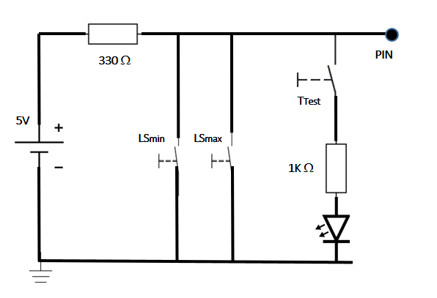
10 | Y_LIMIT | Limit Y Axis | Input
11 | Z_LIMIT | Limit Z Axis | Input

12 | TOOL_PIN | Spindle Enable | Output | Drives the external relais to switch the tool ON or OFF. - LOW: switches the external tool ON - HIGH: switches the external tool OFF | 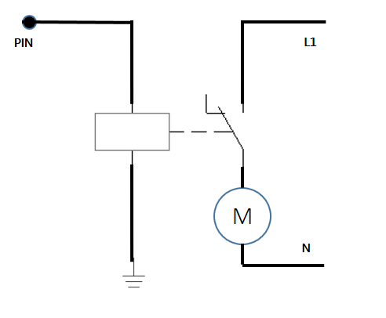
13 | SUPPOPRT_PIN | Spindle Direction | Input | TestSuite hardware support - LOW: switch is opened - HIGH: switch is closed Please Note: No further relevance for normal processing. | 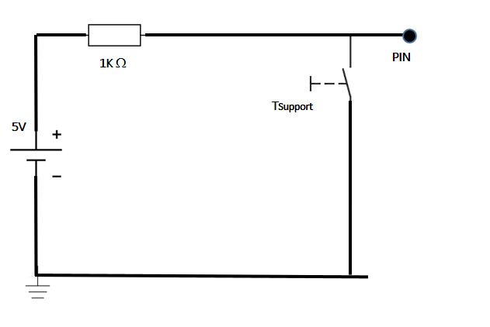
A1 | <free>
A2 | <free>
A3 | INTERRUPT_LED |  | output | Drives the external LED witch is highlighted if the controller is logical (by Sketch) interruppped. Supported Values: [0, 255] - 000: LED OFF - 255 LED ON
A4 | <free>
A5 | <free>

